Q1
A consumer goods manufacturer operates three regional distribution centres (DC) situated in Cape Town, Durban and Centurion, respectively. From there they ship their goods to various retail outlets at varying costs, as shown in the table below:
Shipping costs per item:
To store:
From DC: Store 1 Store 2 Store 3
Cape Town 4 6 7
Durban 7 4 5
Centurion 9 8 5
The supply capacity of each DC is as follows: Cape Town: 900 items; Durban: 800 items; Centurion: 1200 items.
The demand at each of the stores is as follows: Store 1: 1250 items; Store 2: 900 items; Store 3: 750 items.
a) Use your knowledge of LP transportation problems and help them determine the number of items that they should ship from each DC to each of the three stores shown below, at the lowest cost. Briefly interpret the results.
b) Due to the current Transnet strike an incoming shipment at Durban has been delayed, which means that the supply at Durban has dropped by 200 items down to 600 items. How does this affect your previous answer in a?

Q2
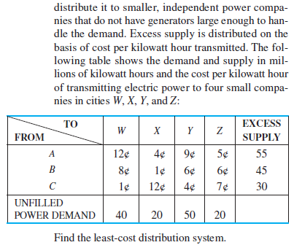
Hint: be careful with the units in this question.

Q3
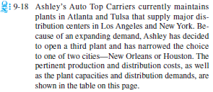
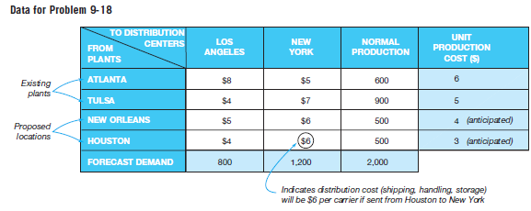

Hint: remember to add the unit production cost (blue-shaded cells in the right column) to the distribution cost of each location (white-shaded cells in the middle of the table).

